1. Title Page
Instacart Data Analysis

Project Name: Instacart Data Analysis
Date:6.2.2025
Analyst Name: Neveen almuhtaseb

Contents:
Population Flow
Consistency checks
Wrangling steps
Column derivations
Visualizations
Recommendations

Sources:
“The Instacart Online Grocery Shopping Dataset 2017”, Accessed from www.instacart.com/datasets/grocery-shopping-2017 via Kaggle on 9/4/2024.
The customer data you explored, as well as the “prices” column in the products data set, were both fabricated for the purpose of this course

2. Population Flow
Title page

Population flow

Exclusion flag
Condition: max_order < 5
Obervations to be removed: 1,440,294
Final total count of order_products_all:30,964,564

Orders_products_combined
Orders_products_merged
Orders_products_all

Total:32404859
Total:32,434,489
Total:30,959,687

1.) The grey boxes in the first row of the population flow represent the original data sets as they were when you downloaded them. In the Total fields you need to add the count of the rows when you imported the data set into Jupyter.
2.) The second row of boxes (coloured) represents the data sets after you manipulated them, e.g., removed missing values and duplicates. In the Total fields you need to add the count of the rows after conducting these operations. This offers a visual oveview of how the data flows throughout the data consistency checks.
3.) The third row, where also the arrows are coloured, represents the merges you performed between the datasets. In the Total fields you need to add the count of the rows in the merged datasets, so that you end up with the final dataset (in the red box). Keep in mind the final dataset should be without exclusions (based on the exclusion flag).

3. Consistency checks
 |  |  |  | Title page
Consistency checks

Dataset | Missing values | Missing values treatment | Duplicates
orders | 206209 rows | flag as first order | no duplicates
products | 16 rows | delete | 5 rows.deleted
orders_products_prior | none | none | none
customers | none | none | none

4. Wrangling steps
 |  |  |  | Title page
Wrangling steps

Columns dropped | Columns renamed | Columns' type changed | Comment/Reason
eval_set | order_dow---orders_day_of_week | user_id | eval_set-----no use
 | order_number---user_order_number | order_id | renamed for better understanding
 | fam_status---family_status | department_id | data type change into str ((not numerical values))
 | STATE---state | first_name
 | Gender---gender
 | Age---age
 | First name---first_name

5. Column derivations
 |  |  |  |  |  | Title page

Column derivations and aggregations

In this tab you should add tables below that the frequences of flags/label variables that you produced after deriving them. NB: don't do this for continuous variables, only for flags.
Dataset | New column | Column/s it was derived from | Conditions
orders | first_order | days_since_prior_order' | first order flag
ords_prods_merge | price_range | prices | if prices <= 5 then 'low-range product' if prices >5 & <= 15 then 'mid-range product' if prices > 15 then 'high-range product' else 'not enough data'
ords_prods_merge | busiest_day | orders_day_of_week | if value == 0 then 'busiest day' if value == 4 then 'least busy' else 'regularly busy' |  | 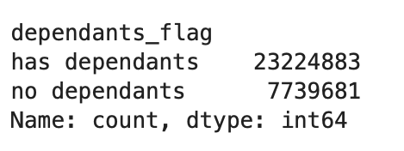 |  | 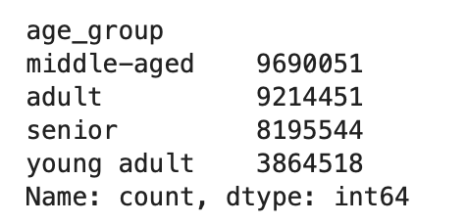
ords_prods_merge | busiest_days | orders_day_of_week | if value == 0 or 1 then 'busiest days' if value == 3 or 4 then 'slowest days' else 'regularly busy'
ords_prods_merge | busiest_period_of_day | hour_of_day | if value == 10 or 11 then 'most orders' if value == 3 or 4 then 'fewest orders' else 'average orders' | 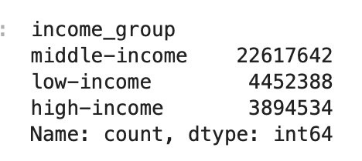 |  |  | 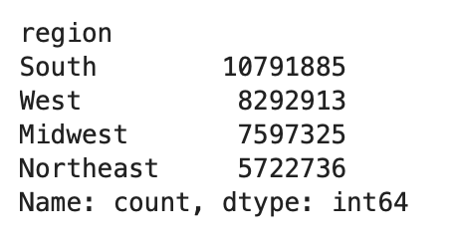
ords_prods_merge | loyalty_flag | max_order | if value > 40 then 'loyal customer' if value <= 40 & > 10 then 'regular customer' if value < 10 then 'new customer' |  |  |  | 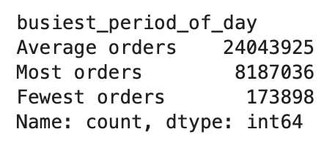
ords_prods_merge | mean_spend | prices | average price per customer
ords_prods_merge | spender_flag | mean_spend | if value > 10 then 'low spender' if value >= 10 then 'high customer'
ords_prods_merge | customer_frequency | days_since_prior_order | if value < 20 then 'non_frequent_customer' if value <= 20 & > 10 then 'regular customer' if value > 10 then 'frequent customer' | 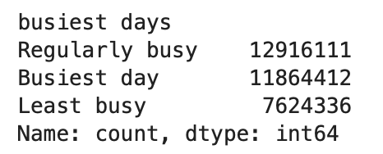 |  |  | 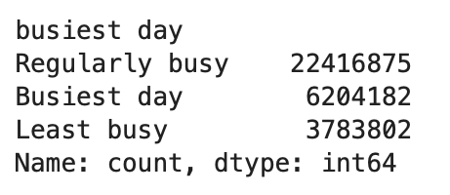
orders_products_customers | region | state | State defined into regions according to this List of regions of the United States | 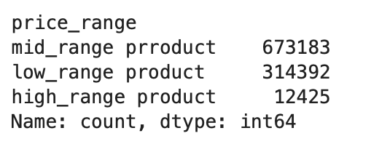
orders_products_customers | activity_flag | max_order | if value < 5 then 'low-activity customer' if value >= 5 then 'high-activity customer'
low_activity_excluded | income_group | income | if value > 150000 then 'high income' if value >= 55000 & < 150000 then 'middle income' if value < 55000 then 'low income'
low_activity_excluded | age_group | age | if value > 64 then 'senior' if value > 44 & <= 64 then 'middle-aged' if value > 25 & <= 44 then 'adult' if value <= 25 then 'young adult'
low_activity_excluded | dependants_flag | n_dependants | if value == 0 then 'no dependants' if value >= 1 then 'has dependants'

first_order |  | loyalty_flag
False 30,328,763 |  | Regular customer 15,876,776
True 2,076,096 |  | Loyal customer 10,284,093
Name: count, dtype: int64 |  | New customer 6,243,990
 |  | Name: count, dtype: int64

6. Visualizations
 |  |  |  |  |  | Title page

Visualisations

In this tab you should include all the visualtions from Exercises 4.9 and 4.10, alongside the questions from the project brief that they answer. Include any commentary on the relationship between different variables.

what the busiest days of the week and hours of the
day are?

 |  | from 10.00 until 17:00 |  |  | on weekend (Saturday, Sunday)
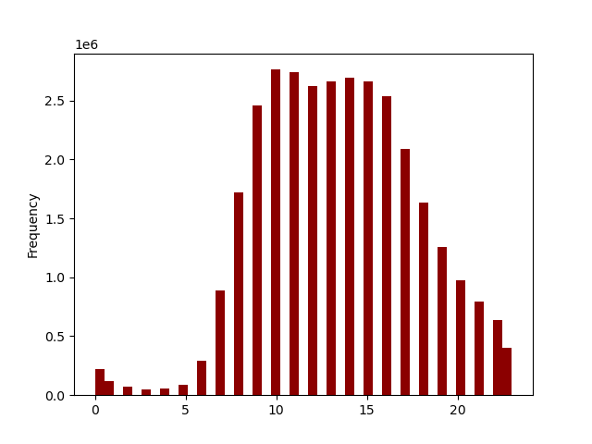
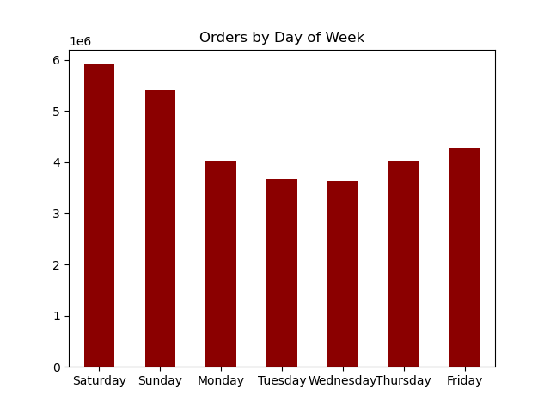

particular times of the day when people
spend the most money,

 |  | 9:00--17:00 people spend less money |  | Saturday, Sunday are the busiest days

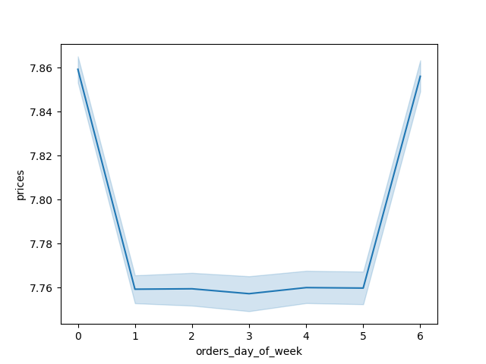

range groupings

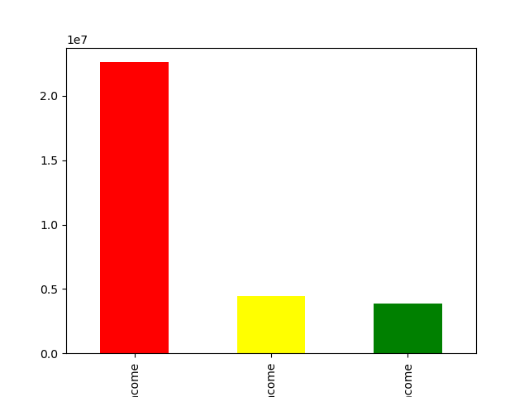
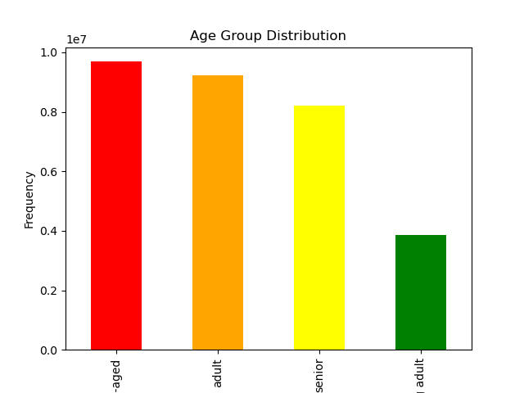
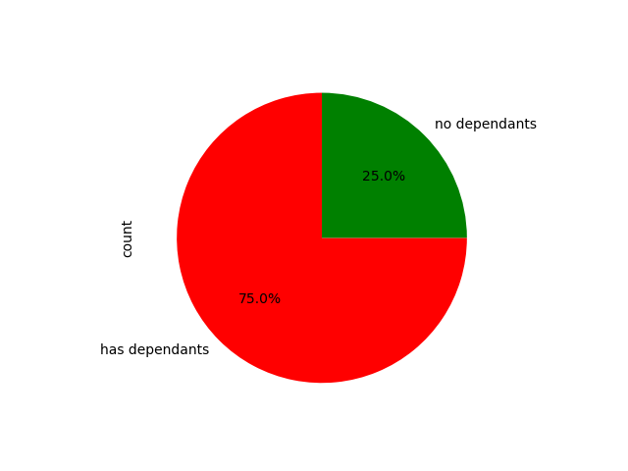
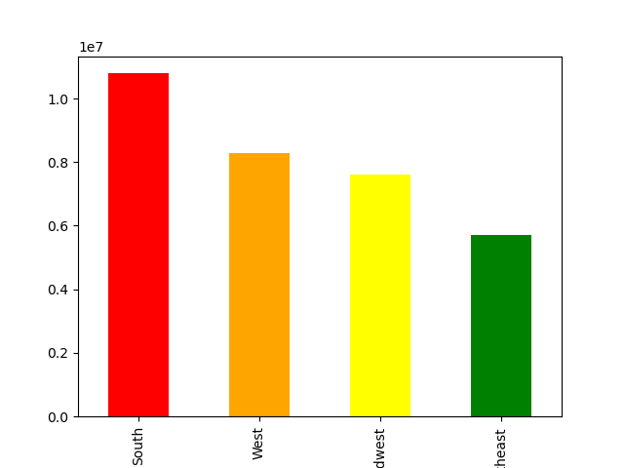

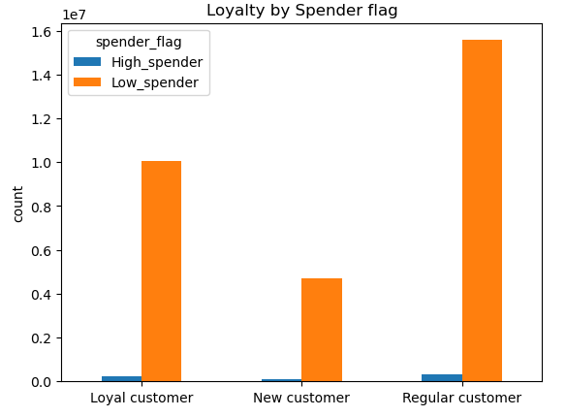

mid-income

middle-age
high-income
young-adult
low-income

 |  |  |  |  |  |  |  | customers with independatnts are more loyal
 |  |  |  | middle income customers, are the most loyal
 | middle age customers are the most loyal
 |  |  |  |  |  |  |  |  | most of our customers are in the south region

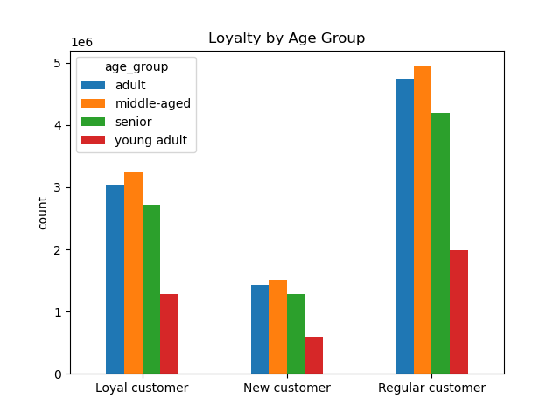
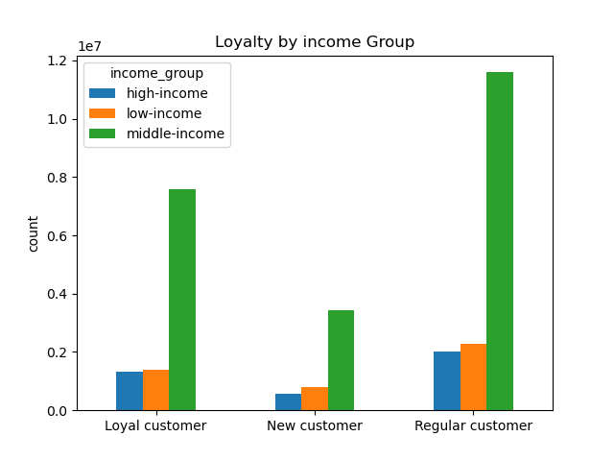
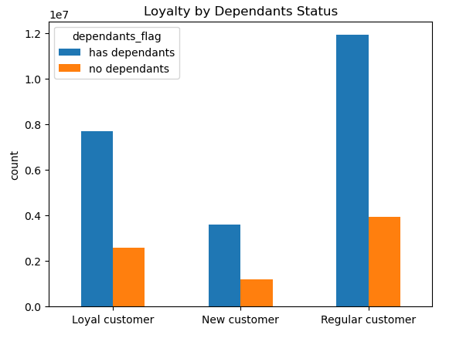



customrs age younger than 40 have lower income

types of products that are more popular than others

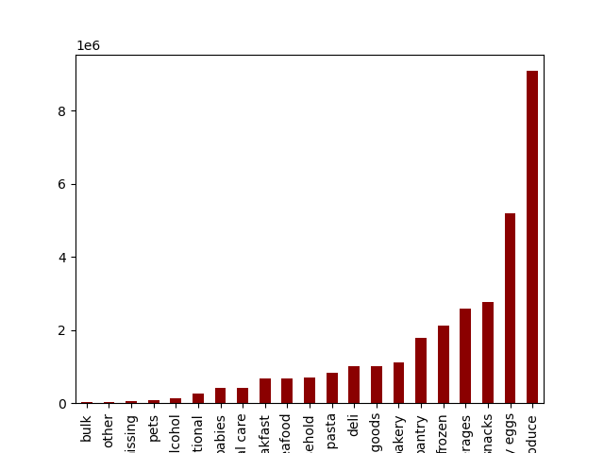
 |  |  |  | products from most to least
 |  |  |  | produce
 |  |  |  | dairy eggs
 |  |  |  | snacks
 |  |  |  | beverages
 |  |  |  | frozen
 |  |  |  | pantry
 |  |  |  | bakery
 |  |  |  | canned goods
 |  |  |  | deli
 |  |  |  | dry goods pasta
 |  |  |  | house hold
 |  |  |  | meat / seafood
 |  |  |  | breakfast
 |  |  |  | personal care
 |  |  |  | babies
 |  |  |  | international
 |  |  |  | alcohol
 |  |  |  | pets
 |  |  |  | missing
 |  |  |  | other
 |  |  |  | bulk

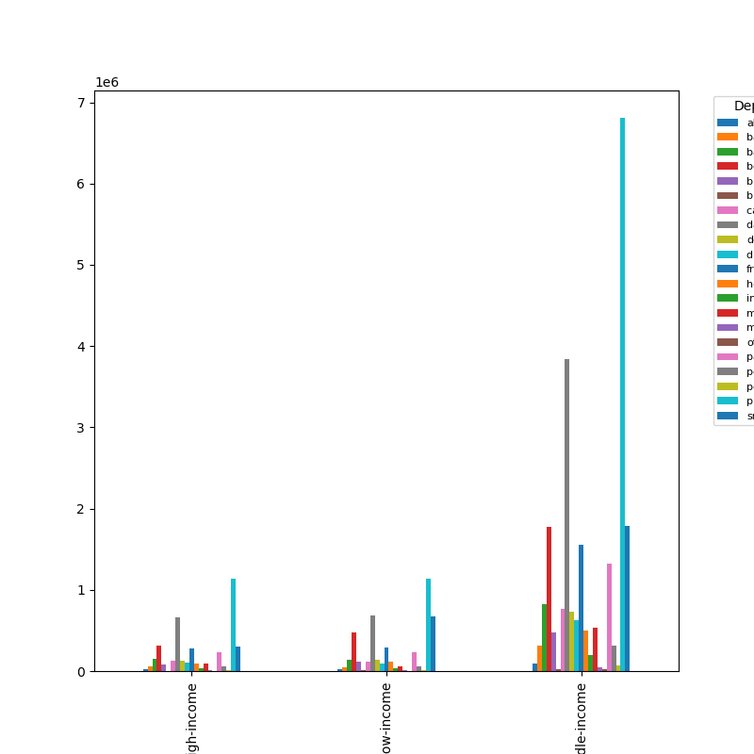
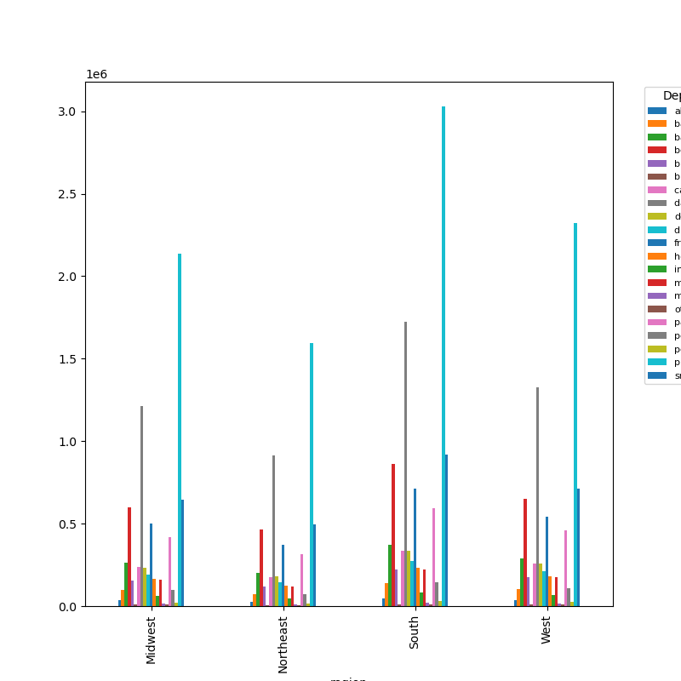
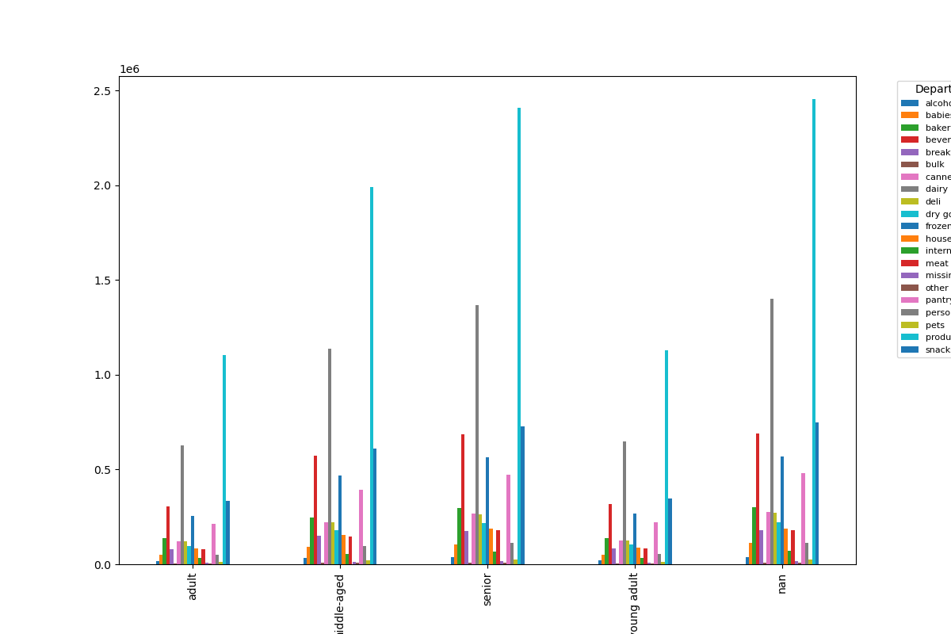

hiigh-income low-income middle-income

 |  |  | products vs. Age groups |  |  |  | products vs. Income groups |  |  | products vs. Region

7. Recommendations
 |  |  | Title page

Recommendations

In this tab you should include any recommendations you would made to Instcart in terms of their marketing strategy based on the questions posed in the brief. Every key question has been covered in the Tasks of the Exercises - here you need to add an item - a visualisation or table/crosstable that is showing the answer in the data, acompanied by a comment from you. Please, list the questions below and add the answer underneath.

Question | Answer | Recommendations
What are the busiest days of the week and hours of the day? | Saturday and Sunday are the busiest day of the week. Tuesday and Wednesday are the least bust days of the week. Most orders are between 9am and 4pm with a peak at 10am to 11am. | As the middle of the week are the least busy days, have sales and coupons targeting those days to drive higher sales during those times
Are there particular times of day when people spend the most money? | Sales are higher in the morning, but it should be noted that this is a small variation. Additionally, sales are higher on the weekends. | Although sales are higher in the morning and on the weekend, these variations are very slight, on the order of magnitude of 10-20 cents. This small varience seems to be almost statistical in nature, there these are no recommendations from this observation.
Are there certain products that are more popular than others? | Produce, Dairy/eggs, snacks, and beverages are the biggest sellers by department. | Coupons and specials for popular items such as Produse and Dairy are recommended to get people tp place orders. Coupons and specials for the least popular items such as international, alcohol, and bulk are recommended to boost sales in those departments.
Are there differences in ordering habits based on loyalty status? | Most customers are considered to be low spenders. | Would instant cart rather have high spenders of frequent shoppers? Discounts on the entire grocery purchase would drive up spending per order, but probably reduce frequency.
Are there differences in ordering habits based on region? | Customers in the South and the West have the largest sales of produce, snacks and dariy/eggs. | Increase advertising and promotions in regions when there are fewer customers
What is the distribution among users as to how often they return to Instacart? Is there a connection between age and family status and ordering habits? What different classifications does the demographic information suggest? Age? Income? Certain types of goods? Family status?? | Most customers are adult or middle-aged, married, and have dependants. Also those in the upper income bracket tend to be over 40. | Have a bulk of coupons and discounts target typical family "whats for dinner" products, breakfast cereals, packable lunches, etc. Target luxury products to those in the high-income group over 40.
What differences can you find in ordering habits of different customer profiles? Consider the price of orders, the frequency of orders, the products customers are ordering. | The key demographic for those using Instacart are adult to middle-age, middle-income parents. This makes sense as thes would be the larger holdholds that would consume more products. | Does Instacart want to reach out to more demographics? Are there obstacles, such as familiarity with technology that is limiting customer growth among seniors? A focus on products favored by families may drive people to place an order rather than waiting. What is the competitor for Instacart? Other delivery agencies? Preferring to shop at a certain store? Customers shopping in the store instead of ordering? Perhaps partnering with stores that the customers get a discount of a free item for using Instacart instead of shopping at the store.

